time series decomposition
year | quarter | value | moving average Year Q | trend moving average | centered moving average Year Q | trend centered moving average | seasonal* error effect
year1 | Q1 | 4
year1 | Q2 | 2 | Year1 Q 2.5 | 3.5
year1 | Q3 | 3 | Year1 Q 3.5 | 4 | Year1 Q3 | 3.75 | 0.8
year1 | Q4 | 5 | Year2 Q 0.5 | 4.25 | Year1 Q4 | 4.125 | 1.2121212121
year2 | Q1 | 6 | Year2 Q 1.5 | 4.75 | Year2 Q1 | 4.5 | 1.3333333333
year2 | Q2 | 3 | Year2 Q 2.5 | 5.25 | Year2 Q2 | 5 | 0.6
year2 | Q3 | 5 | Year2 Q 3.5 | 5.5 | Year2 Q3 | 5.375 | 0.93023255814
year2 | Q4 | 7 | Year3 Q 0.5 | 6.25 | Year2 Q4 | 5.875 | 1.1914893617
year3 | Q1 | 7 | Year3 Q 1.5 | 6.5 | Year3 Q1 | 6.375 | 1.0980392157
year3 | Q2 | 6 | Year3 Q 2.5 | 6.75 | Year3 Q2 | 6.625 | 0.90566037736
year3 | Q3 | 6
year3 | Q4 | 8

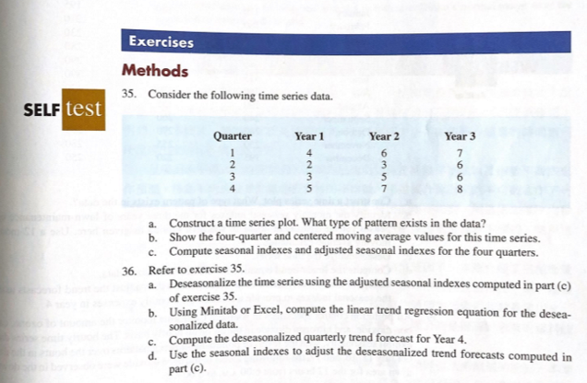
quarter | Year1 | Year2 | Year3 | seasonal index | adjusted seasonal index
Q1 | - | 1.3333333333 | 1.0980392157 | 1.2156862745 | 1.2050104754
Q2 | - | 0.6 | 0.90566037736 | 0.75283018868 | 0.74621905552
Q3 | 0.8 | 0.93023255814 | - | 0.86511627907 | 0.8575190825
Q4 | 1.2121212121 | 1.1914893617 | - | 1.2018052869 | 1.1912513866
TTL |  |  |  | 4.0354380292 | 4
adjust for seasonal index |  |  |  | 0.99121829429

year | quarter | period | value | seasonal index | deseasonalized value
year1 | Q1 | 1 | 4 | 1.2050104754 | 4.8200419017
year1 | Q2 | 2 | 2 | 0.74621905552 | 1.492438111
year1 | Q3 | 3 | 3 | 0.8575190825 | 2.5725572475
year1 | Q4 | 4 | 5 | 1.1912513866 | 5.9562569328
year2 | Q1 | 5 | 6 | 1.2050104754 | 7.2300628525
year2 | Q2 | 6 | 3 | 0.74621905552 | 2.2386571665
year2 | Q3 | 7 | 5 | 0.8575190825 | 4.2875954125
year2 | Q4 | 8 | 7 | 1.1912513866 | 8.338759706
year3 | Q1 | 9 | 7 | 1.2050104754 | 8.4350733279
year3 | Q2 | 10 | 6 | 0.74621905552 | 4.4773143331
year3 | Q3 | 11 | 6 | 0.8575190825 | 5.145114495
year3 | Q4 | 12 | 8 | 1.1912513866 | 9.5300110925

SUMMARY OUTPUT

Regression Statistics
Multiple R | 0.56162971728
R Square | 0.31542793934
Adjusted R Square | 0.24697073327
Standard Error | 2.2553717608
Observations | 12

ANOVA
 | df | SS | MS | F | Significance F
Regression | 1 | 23.437822729 | 23.437822729 | 4.607665978 | 0.057397766272
Residual | 10 | 50.867017795 | 5.0867017795
Total | 11 | 74.304840524

 | Coefficients | Standard Error | t Stat | P-value | Lower 95% | Upper 95% | Lower 95.0% | Upper 95.0%
Intercept | 2.7454866027 | 1.3880853638 | 1.9778946414 | 0.076138756981 | -0.34736032613 | 5.8383335316 | -0.34736032613 | 5.8383335316
period | 0.40484670957 | 0.18860366146 | 2.1465474553 | 0.057397766272 | -0.015388436154 | 0.82508185529 | -0.015388436154 | 0.82508185529

